Sheet1
Number | Red 1 | Red 2 | Blue 1 | Blue 2
1 | 4290 | 7161 | 6209 | 9053
2 | 8683 | 8295 | 5815 | 4751
3 | 6504 | 8517 | 4718 | 6901
4 | 6798 | 6299 | 8284 | 10862
5 | 10769 | 9278 | 3147 | 3708 | Key
6 | 4721 | 10997 | 9793 | 4720 |  | Your Team
7 | 5681 | 8424 | 5936 | 10994 |  | Alliance
8 | 55890 | 4291 | 3781 | 8214 |  | Opponent
9 | 8814 | 11000 | 6816 | 4549
10 | 4753 | 6041 | 7785 | 4723 | Team
11 | 6272 | 4751 | 4721 | 8517
12 | 9053 | 5681 | 8284 | 10769
13 | 6299 | 10997 | 5890 | 6209
14 | 10862 | 11000 | 8424 | 4291
15 | 3708 | 9793 | 4753 | 6798
16 | 6041 | 6504 | 10994 | 9278
17 | 6816 | 5936 | 3781 | 8295
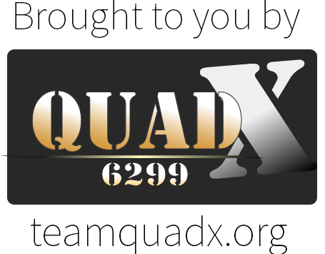
18 | 4720 | 3147 | 8214 | 7785
19 | 4723 | 5815 | 4290 | 4781
20 | 8683 | 7161 | 8814 | 9272
21 | 6901 | 4751 | 4546 | 5890
22 | 5681 | 9793 | 6209 | 6816
23 | 5936 | 10769 | 4720 | 6041
24 | 4290 | 10862 | 4721 | 10994
25 | 6798 | 7785 | 10997 | 8814
26 | 8295 | 4546 | 8214 | 7161

